Issue Sheet
Issue Sheet |  |  |  |  |  |  |  |  |  |  |  |  |  |  |  |  |  | Rev.1.0

r | Control Information

 |  | Issue No. |  | TIP | I | A | 01997 | Type |  |  | Request |  | Status |  |  | OPEN
 |  | Creation Date |  | 2021-03-26 |  |  |  | Due Date |  |  | 2021-03-26 |  | Close Date
 |  | Priority |  | High |  |  |  | System |  |  | EBS |  | Application Module |  |  | AR

r | Inquiry Information

 |  | [TIP ENDUSER/TIPISD/ME-Sui] |  |  |  |  |  |  | [TIPISD/ME-Sui] |  |  |  |  | [ME-Sui]
 |  |  | Request | Approval |  |  |  |  |  | Registration |  | Approval |  |  | Reception |  | Assignment
 |  | Dept. | FIA | FIA |  |  |  |  | Dept. | TIP-ISD |  | TIP-ISD |  | Dept.
 |  | Name | GAY MARIE TIDALGO | ROWENA GABUCAY |  |  |  |  | Name | R. De Villa |  | E. Jacob |  | Name
 |  | Date | 2021-03-26 | 2021-03-26 |  |  |  |  | Date | 2021-03-26 |  | 2021-03-26 |  | Date

 |  | Issue Category |  | Application
 |  | Title |  | Rollback of Billing statement that was not interfaced in GAIA
 |  | Issue |  | Rollback of below billing statement that was not interfaced in GAIA due to wrong accounting combination 2103 BS#0001340

**PLEASE FILL OUT ORANGE SHEETS ALSO**

 |  | Reason |  | PIC inputted incorrect product category, instead of X2410 she inputs 00000 which the system accepted since it has an existing set-up for this code combination.

 |  | Detail Attachment |  | No |  |  |  | Link to Attachment Sheet

r | Investigation Information

 |  | [TIPISD/ME-Sui] |  |  |  |  |  |  | [TIPISD/ME-Sui] |  |  |  |  | [TIP ENDUSER]
 |  |  | Investigation | Approval |  |  |  |  |  | Confirmation |  | Approval |  |  | Confirmation |  | Approval
 |  | Dept. | TIP-ISD | TIP-ISD |  |  |  |  | Dept. |  |  |  |  | Dept. | FIA |  | FIA
 |  | Name | R. De Villa | E. Jacob |  |  |  |  | Name |  |  |  |  | Name | GAY MARIE TIDALGO |  | ROWENA GABUCAY
 |  | Date | 2021-03-26 | 2021-03-26 |  |  |  |  | Date |  |  |  |  | Date | 2021-03-26 |  | 2021-03-26

 |  | Cause Category |  | Operation Mistake
 |  | Cause |  | PIC inputted incorrect product category, instead of X2410 she inputs 00000 which the system accepted since it has an existing set-up for this code combination.

 |  | Workaround and Countermeasure |  | Cancel the affected Billing Statement then re-transact new billing statement

 |  | Detail Attachement |  |  |  |  |  | Link to Attachment Sheet

r | Actual Operation Information
 |  | [TIPISD/ME-Sui] |  |  |  |  |  |  | [TIPISD/ME-Sui] |  |  |  |  | [TIP ENDUSER]
 |  |  | Operation | Approval |  |  |  |  |  | Confirmation |  | Approval |  |  | Confirmation |  | Approval
 |  | Dept. | TIP-ISD | TIP-ISD |  |  |  |  | Dept. |  |  |  |  | Dept. | FIA |  | FIA
 |  | Name | R. De Villa | E. Jacob |  |  |  |  | Name |  |  |  |  | Name | GAY MARIE TIDALGO |  | ROWENA GABUCAY
 |  | Date | 2021-03-25 | 2021-03-25 |  |  |  |  | Date |  |  |  |  | Date | 2021-03-25 |  | 2021-03-25

 |  | Actual Operation |  | See Actual Operation last Mar. 25, 2021

 |  | Evidence Attachment |  | Yes |  |  |  | Link to Attachment Sheet

Actual Operation Evidence
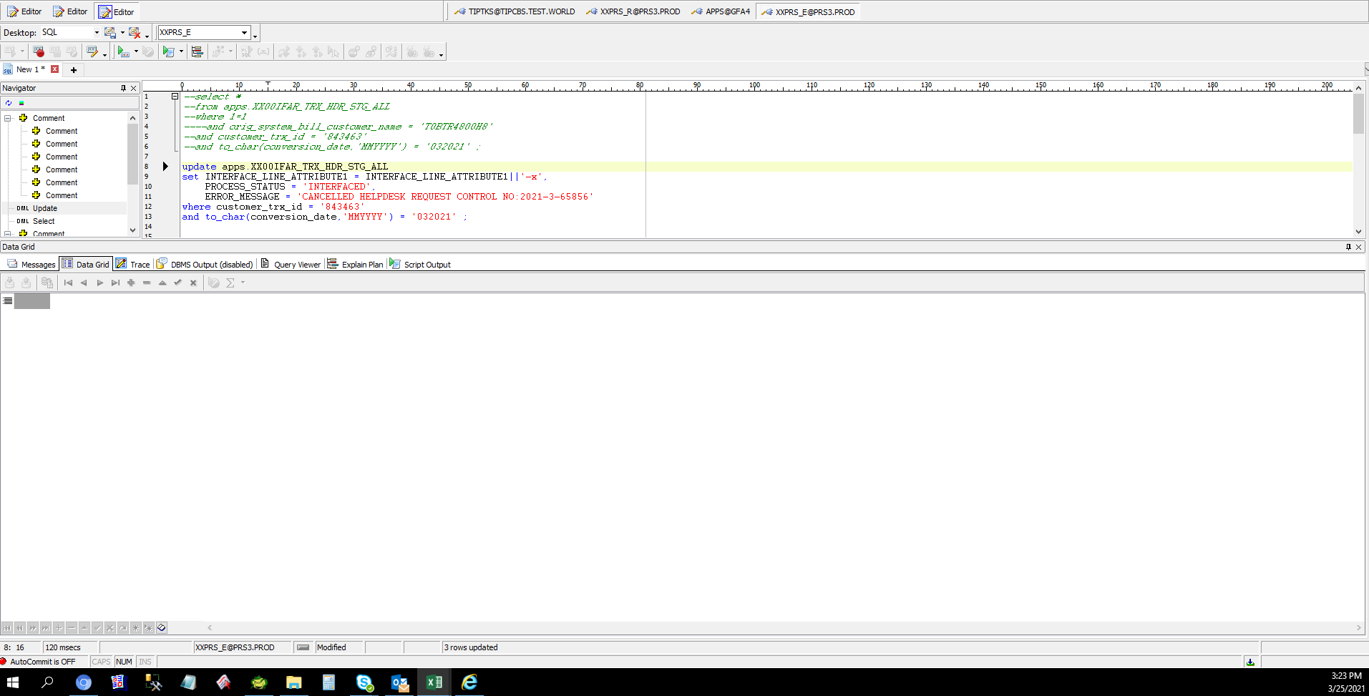
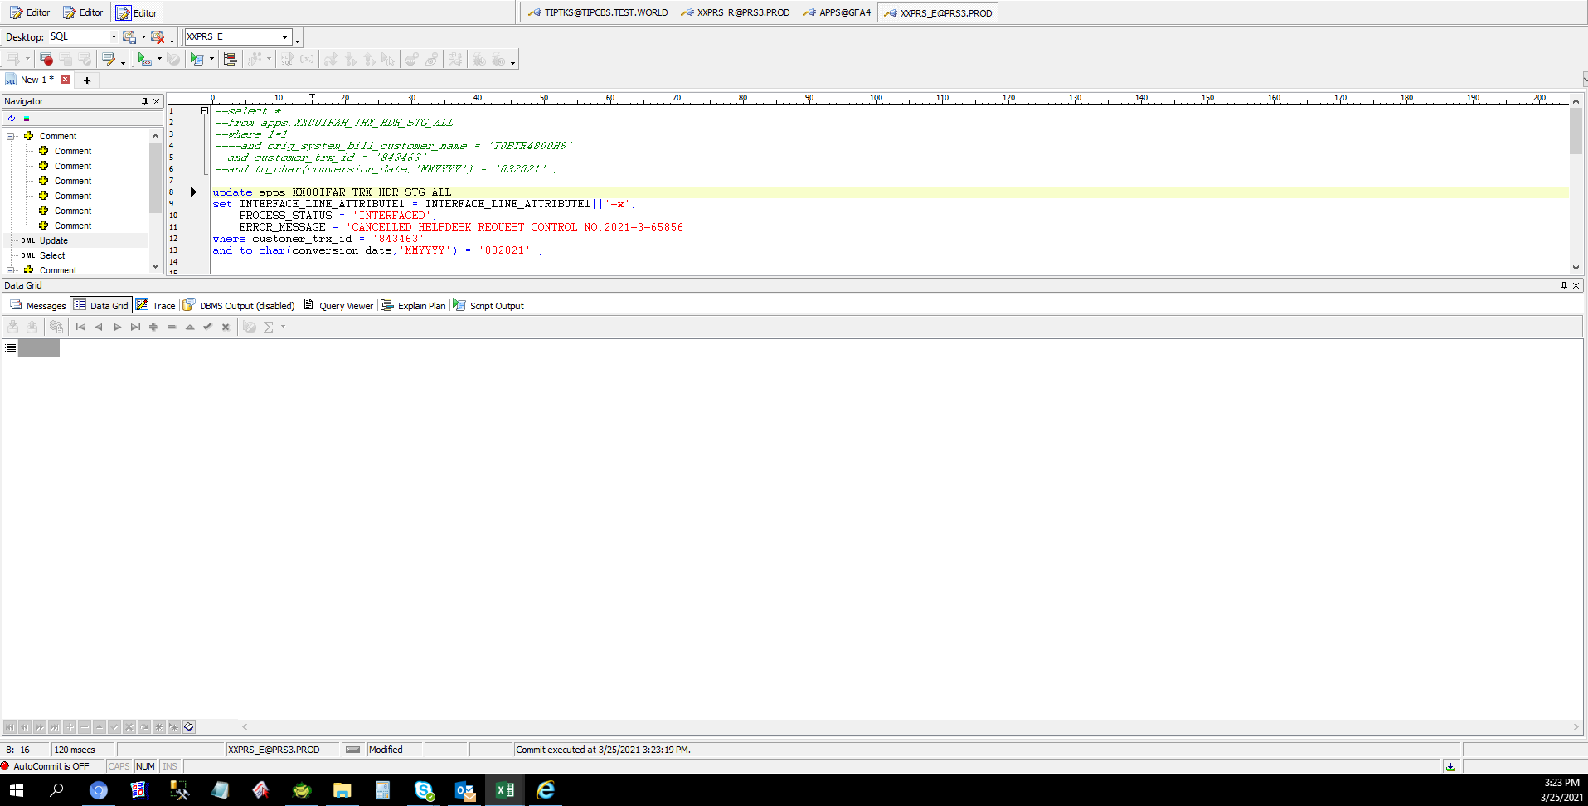
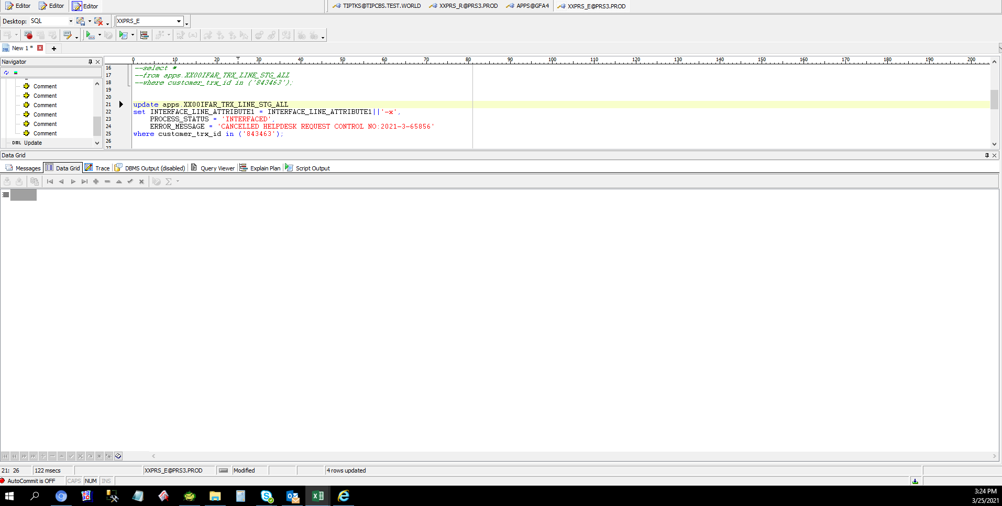
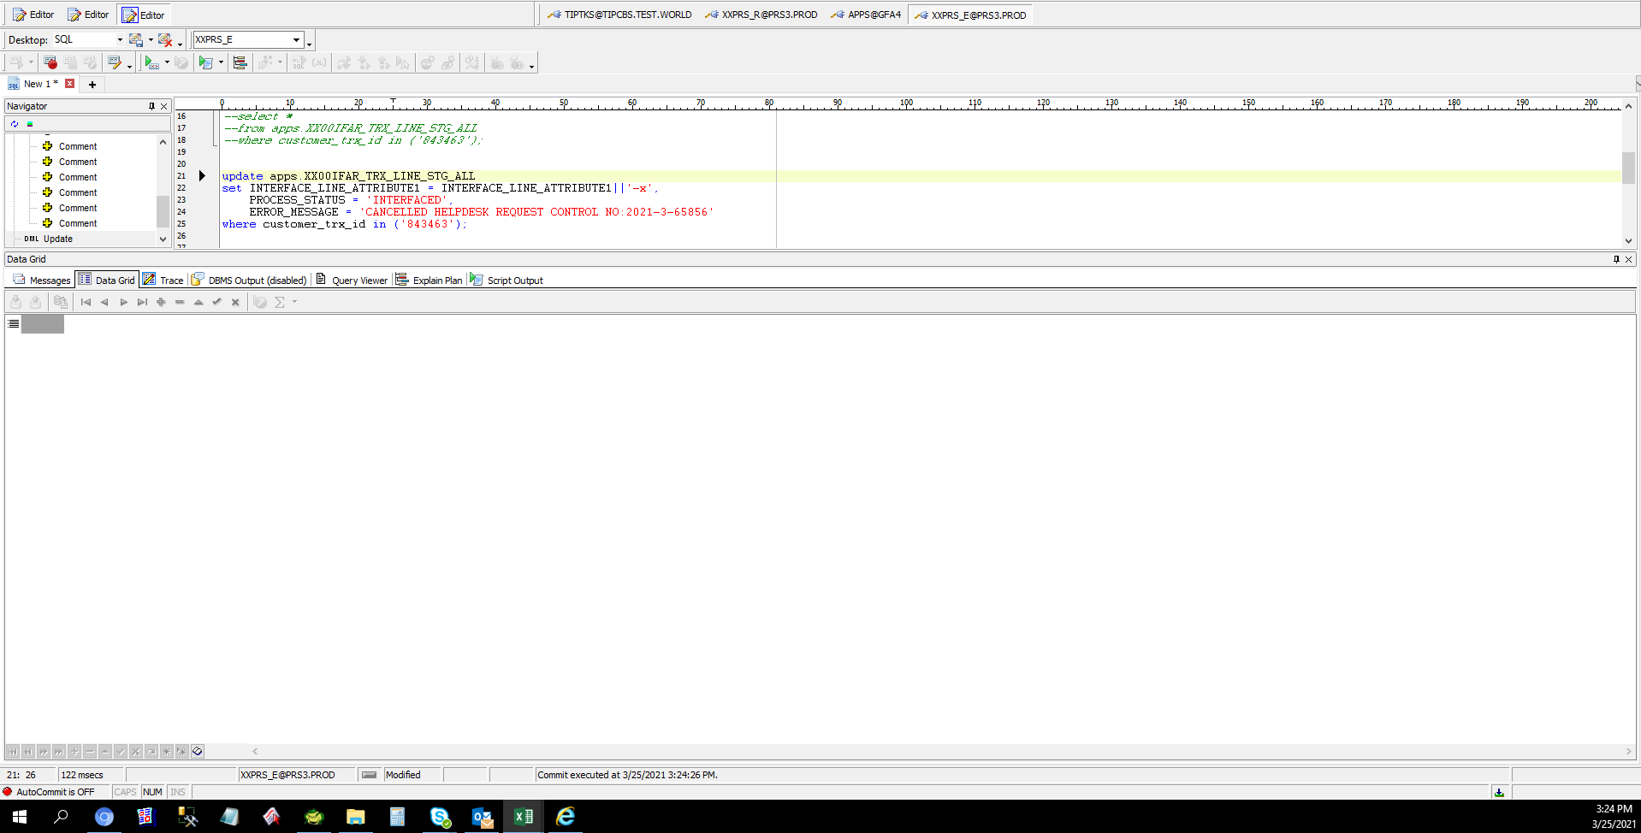
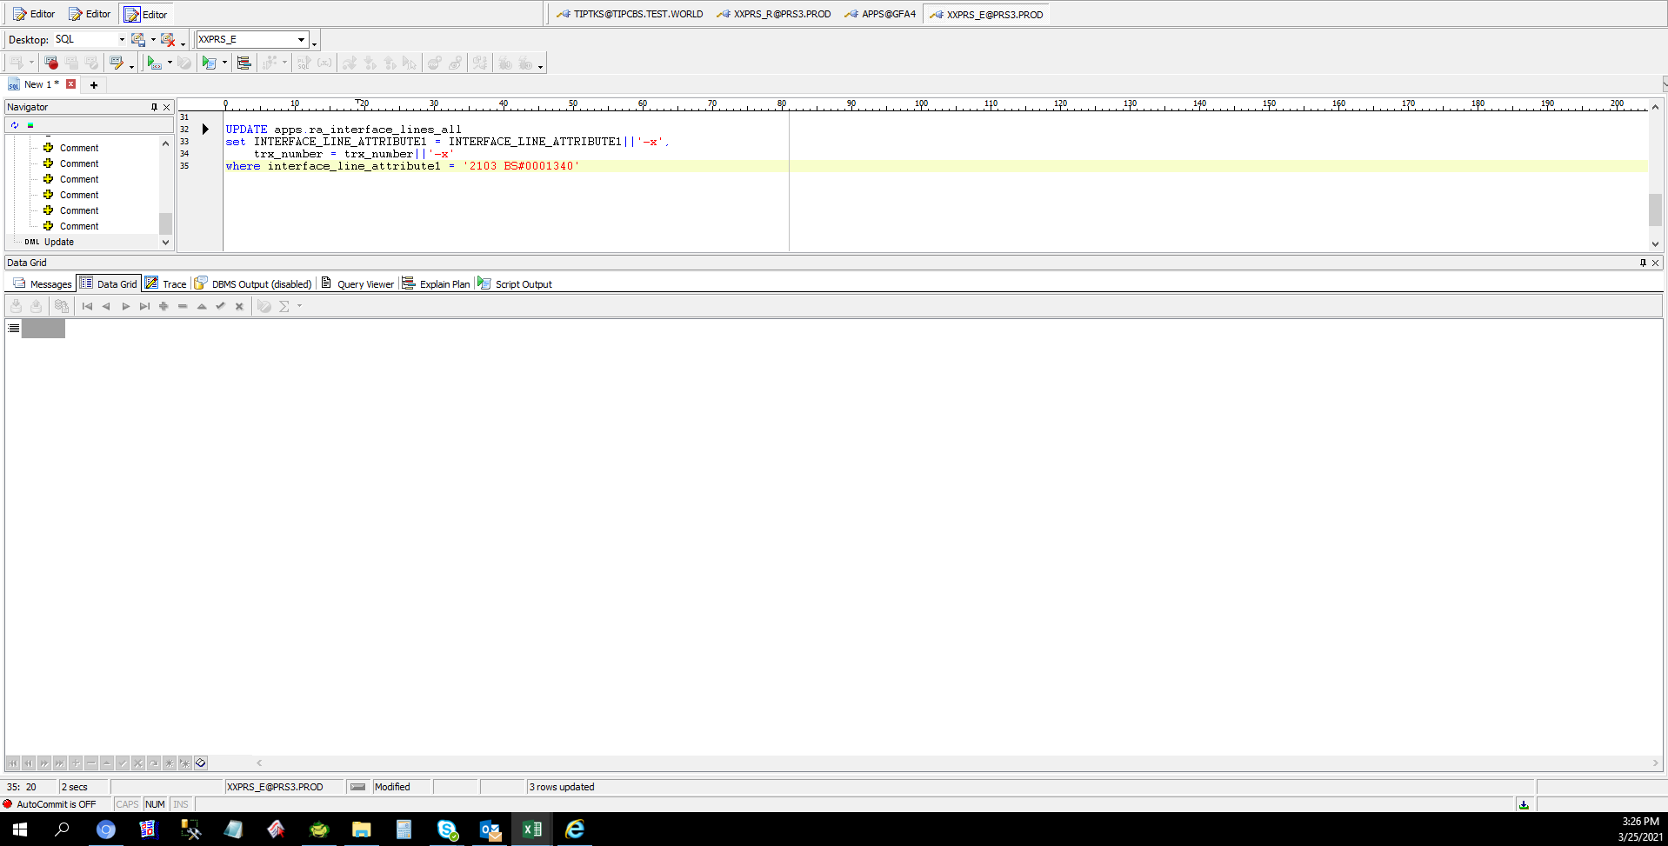
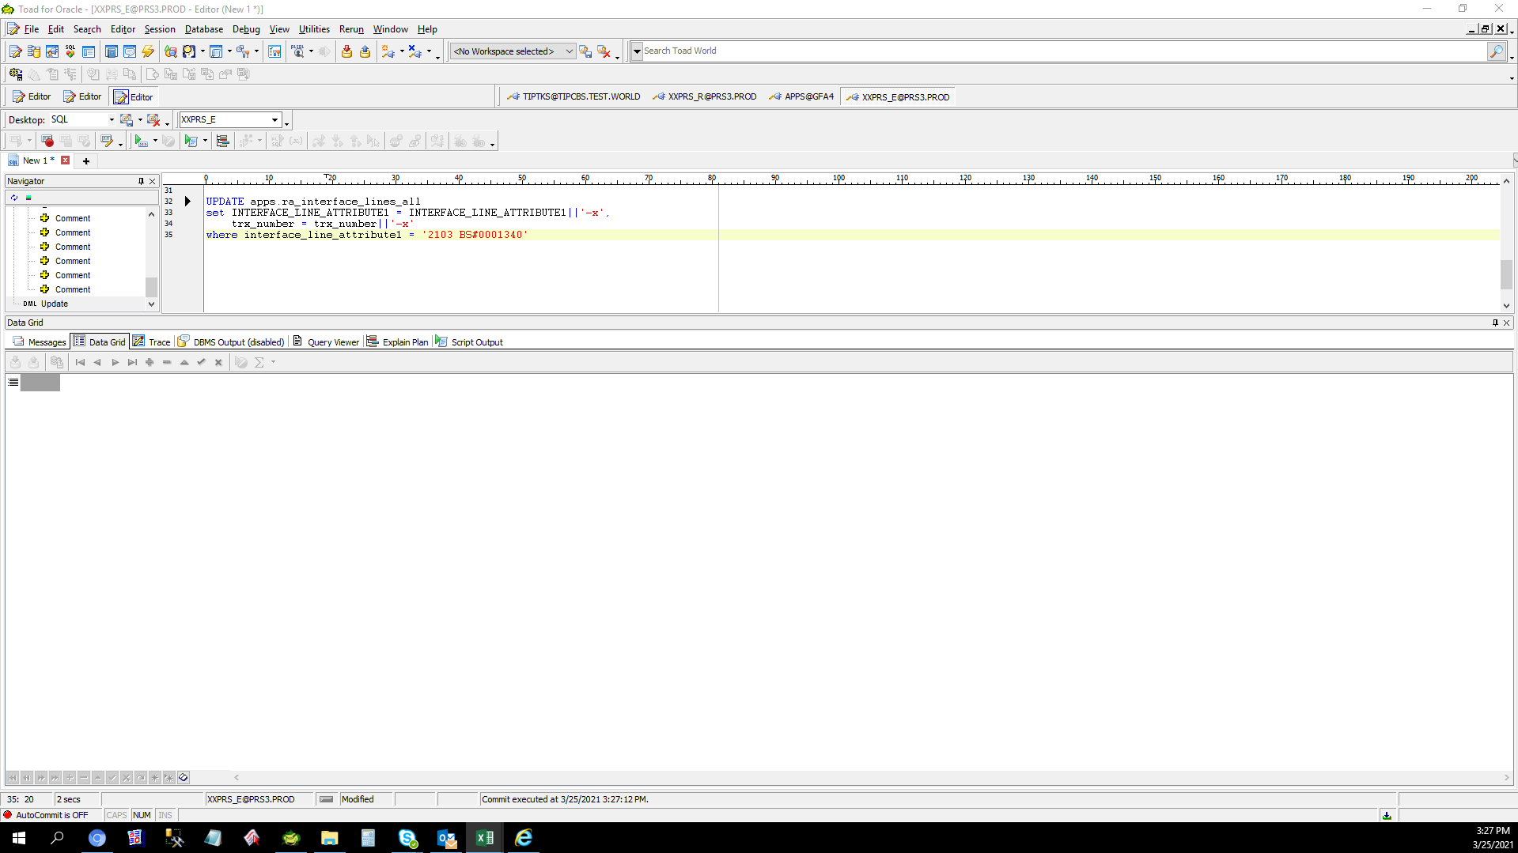
Actual Operation Evidence

Helpdesk Request
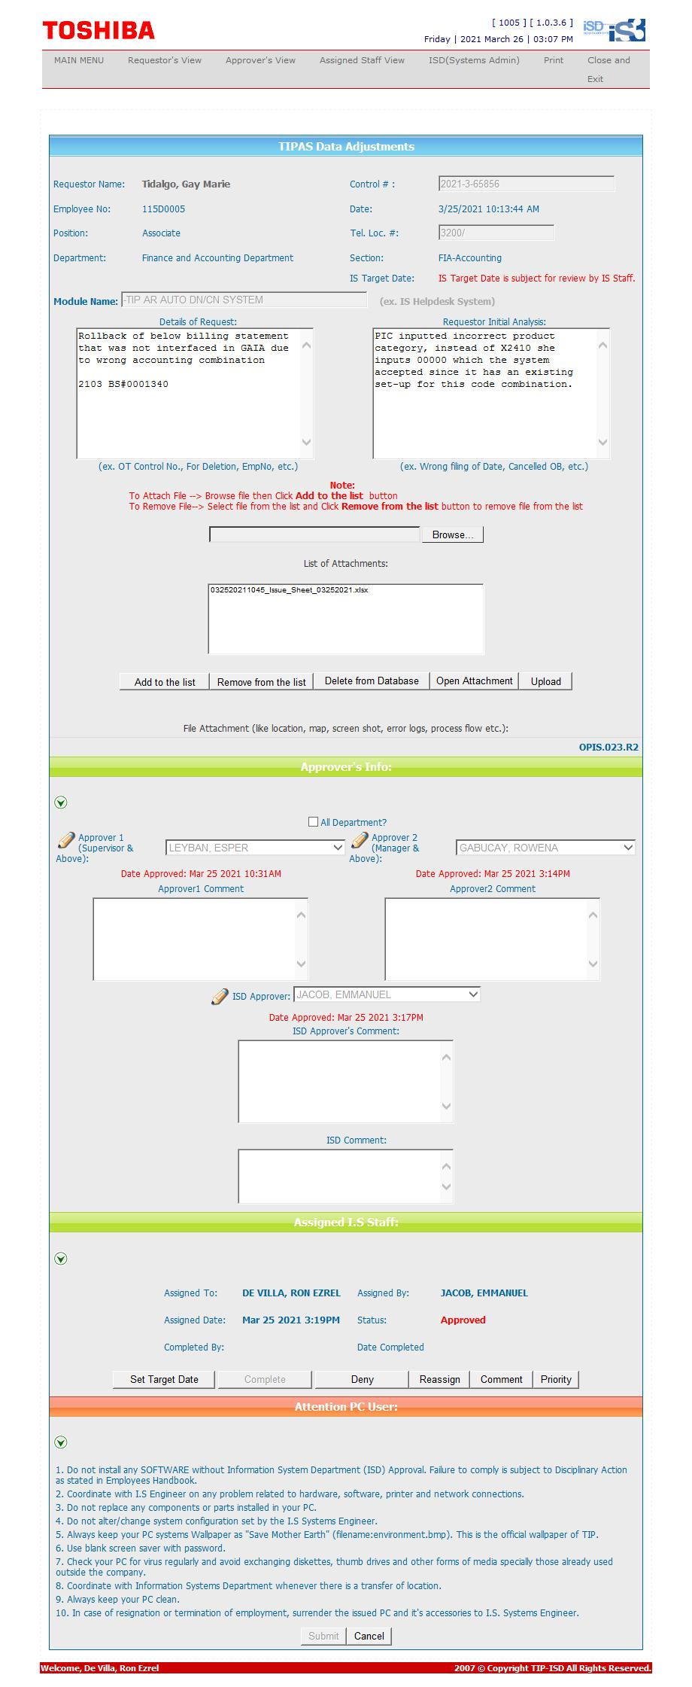
Helpdesk Request

 | ATTACH SCREENSHOT OF HELPDESK REQUEST.

